Sheet1
...
 | 15 | 23 | 27 |  | 35
51 |  | 11 |  | 23 |  | 35
 |  |  |  |  |  |  |  |  | 15 | 14
 |  |  |  |  |  |  |  |  | 32768 | 16384
 |  |  |  |  |  |  |  | character | x | x
 |  |  |  |  |  |  | 32 | 0x20 | 0 | 0
 |  |  |  |  |  |  | 33 | 0x21 | 0 | 0
 |  |  |  |  |  |  | 34 | 0x22 | 0 | 0
 |  |  |  |  |  |  | 35 | 0x23 | 0 | 0
 |  |  |  |  |  |  | 36 | 0x24 | 0 | 0
 |  |  |  |  |  |  | 37 | 0x25 | 0 | 0
 |  |  |  |  |  |  | 38 | 0x26 | 0 | 0
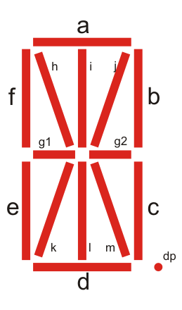
 |  |  |  |  |  |  | 39 | 0x27 | 0 | 0
 |  |  |  |  |  |  | 40 | 0x28 | 0 | 0
 |  |  |  |  |  |  | 41 | 0x29 | 0 | 0
 |  |  |  |  |  |  | 42 | 0x2A | 0 | 0
 |  |  |  |  |  |  | 43 | 0x2B | 0 | 0
 |  |  |  |  |  |  | 44 | 0x2C | 0 | 0
 |  |  |  |  |  |  | 45 | 0x2D | 0 | 0
 |  |  |  |  |  |  | 46 | 0x2E | 0 | 0
 |  |  |  |  |  |  | 47 | 0x2F | 0 | 0
 |  |  |  |  |  |  | 48 | 0x30 | 0 | 0
 |  |  |  |  |  |  | 49 | 0x31 | 0 | 0
 |  |  |  |  |  |  | 50 | 0x32 | 0 | 0
 |  |  |  |  |  |  | 51 | 0x33 | 0 | 0
 |  |  |  |  |  |  | 52 | 0x34 | 0 | 0
 |  |  |  |  |  |  | 53 | 0x35 | 0 | 0
 |  |  |  |  |  |  | 54 | 0x36 | 0 | 0
 |  |  |  |  |  |  | 55 | 0x37 | 0 | 0
 |  |  |  |  |  |  | 56 | 0x38 | 0 | 0
 |  |  |  |  |  |  | 57 | 0x39 | 0 | 0
 |  |  |  |  |  |  | 58 | 0x3A | 0 | 0
 |  |  |  |  |  |  | 59 | 0x3B | 0 | 0
 |  |  |  |  |  |  | 60 | 0x3C | 0 | 0
 |  |  |  |  |  |  | 61 | 0x3D | 0 | 0
 |  |  |  |  |  |  | 62 | 0x3E | 0 | 0
 |  |  |  |  |  |  | 63 | 0x3F | 0 | 0
 |  |  |  |  |  |  | 64 | 0x40 | 0 | 0
 |  |  |  |  |  |  | 65 | 0x41 | 0 | 0
 |  |  |  |  |  |  | 66 | 0x42 | 0 | 0
 |  |  |  |  |  |  | 67 | 0x43 | 0 | 0
 |  |  |  |  |  |  | 68 | 0x44 | 0 | 0
 |  |  |  |  |  |  | 69 | 0x45 | 0 | 0
 |  |  |  |  |  |  | 70 | 0x46 | 0 | 0
 |  |  |  |  |  |  | 71 | 0x47 | 0 | 0
...

